6.Star Schema
Star Schema

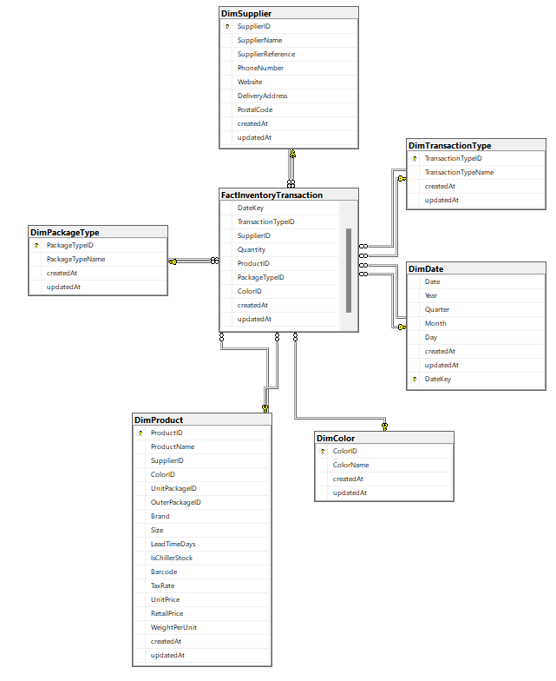
Star Schema Image | Possible Star Schema Queries
 | Sno | Business Question Addressed | SQL query
 |  | Which suppliers provided the highest quantity of stock? | SELECT SupplierName, SUM(fact.Quantity) AS TotalQuantity FROM Snapshot fact GROUP BY SupplierName ORDER BY TotalQuantity DESC;
 |  | What is the average lead time for products from each supplier? | SELECT SupplierName, AVG(LeadTimeDays) AS AverageLeadTime FROM Snapshot fact GROUP BY SupplierName ORDER BY AverageLeadTime;
 |  | How many transactions were made for each transaction type ? | SELECT TransactionTypeName, COUNT(fact.InventoryTransactionID) AS TransactionCount FROM Snapshot fact GROUP BY TransactionTypeName ORDER BY TransactionCount DESC;
 |  | What is the total inventory cost for each product? | SELECT ProductName, SUM(UnitPrice * fact.Quantity) AS TotalInventoryCost FROM Snapshot fact GROUP BY ProductName ORDER BY TotalInventoryCost DESC;
 |  | What are the top 10 most frequently transacted products? | SELECT p.ProductName, COUNT(fact.InventoryTransactionID) AS TransactionCount FROM Snapshot fact GROUP BY p.ProductName ORDER BY TransactionCount DESC OFFSET 0 ROWS FETCH NEXT 10 ROWS ONLY;

